King County Order Form
It is your facility's responsibility to conduct the test and have it processed. Before completing the below request form, please ensure your facility has an account with Public Health Labortory Services. Call 206-744-8950 to set up your facility account.
Agency Name:
Type of Facility
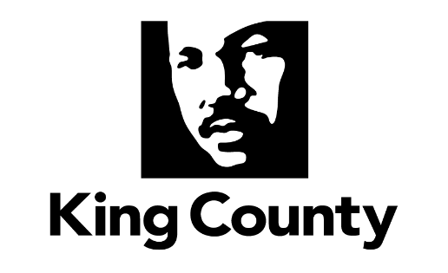
Requestor Name:
Requestor Phone Number:
Request Email Address
Delivery Address:
Delivery Point of Contact (POC):
Delivery POC Phone Number:
Delivery POC Email:
Request Date:
PLEASE NOTE: REQUESTS FOR TESTING SUPPLIES LISTED BELOW SHOULD BE SUBMITTED TO THE PUBLIC HELATH LAB FOR PROCESSING.
If known, Number of people in need of testing?
If known, Supplies to last for (# of Days):
Test Kits (For test kit details please select the testKitDetails sheet to review the test kit options.)
Test Kits | Total requested Test Kits

Test Kit Options | Test Kit Description
Swab + Transport Tube [Refrigeration: Not needed for up to 6 days] | Aptima Brand combined Swab + Transport Tube [Packaged: Together]
Swab + Transport Tube [Refrigeration: NONE] | Aptima Brand nasopharyngeal plastic swab and transport media [Packaged: Individually]
Swab + VTM [Refrigeration: YES after collection] | Nasopharyngeal plastic swab and VTM [Packaged: Individually]

